Component List
ITEM NO. | SCHEMATICS | PART NUMBER | Qty. | Cost($)
1 | 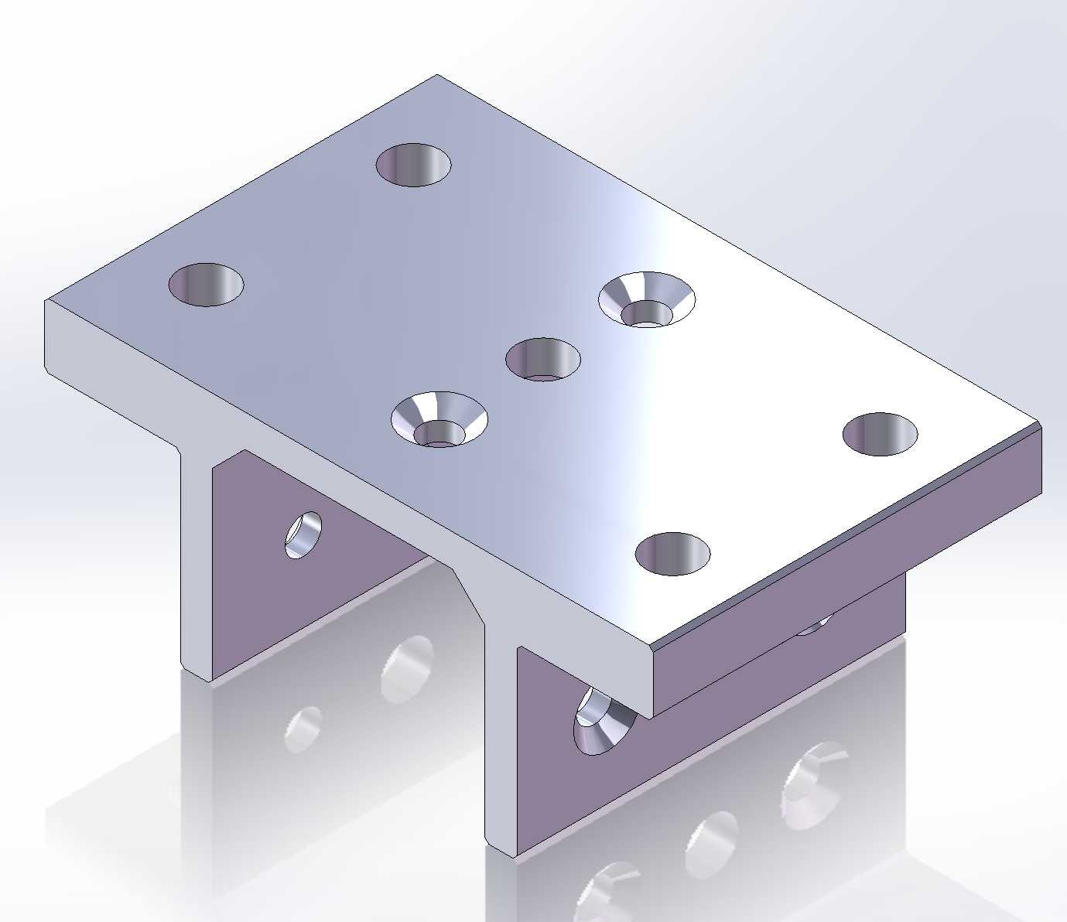 | Slider-8020-6425_642509 | 1
2 |  | 8020-6425_6490 | 3
3 |  | 8020-6425_3625 | 6
4 | 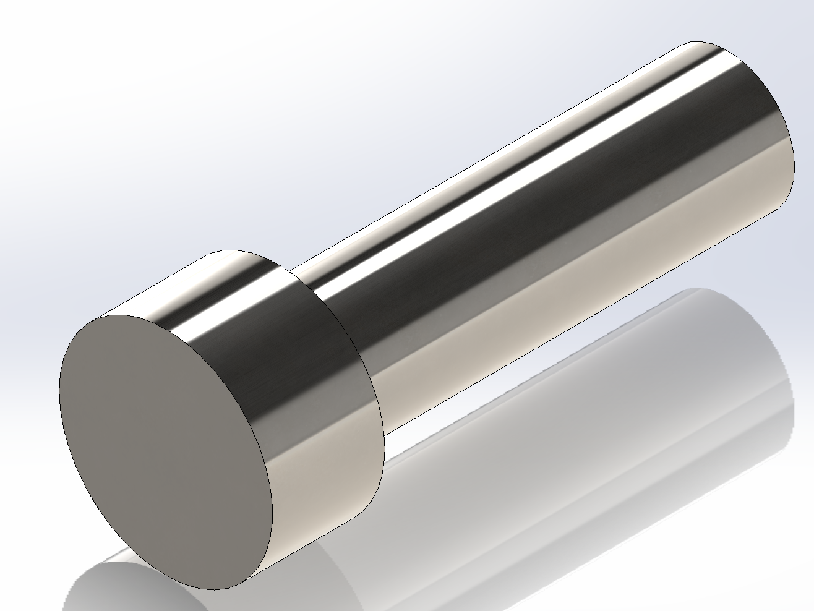 | M6-Bolt | 4
5 | 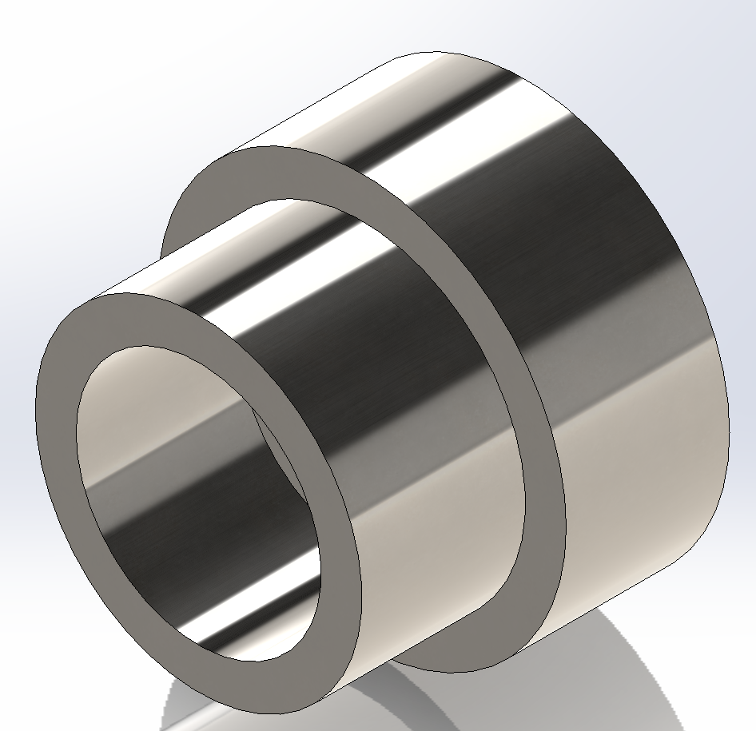 | M6-nut | 4
6 | 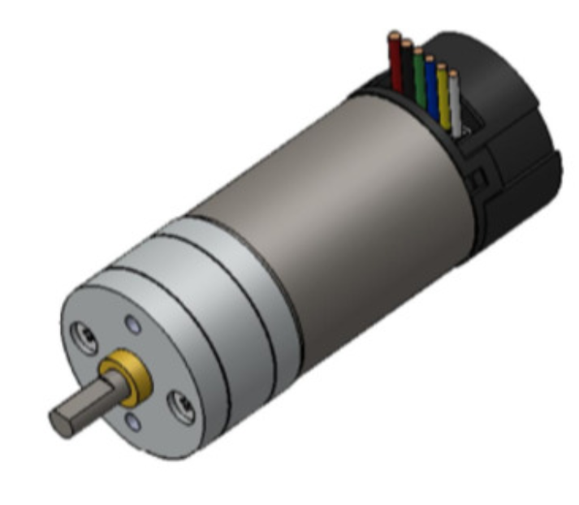 | Motor | 1
7 | 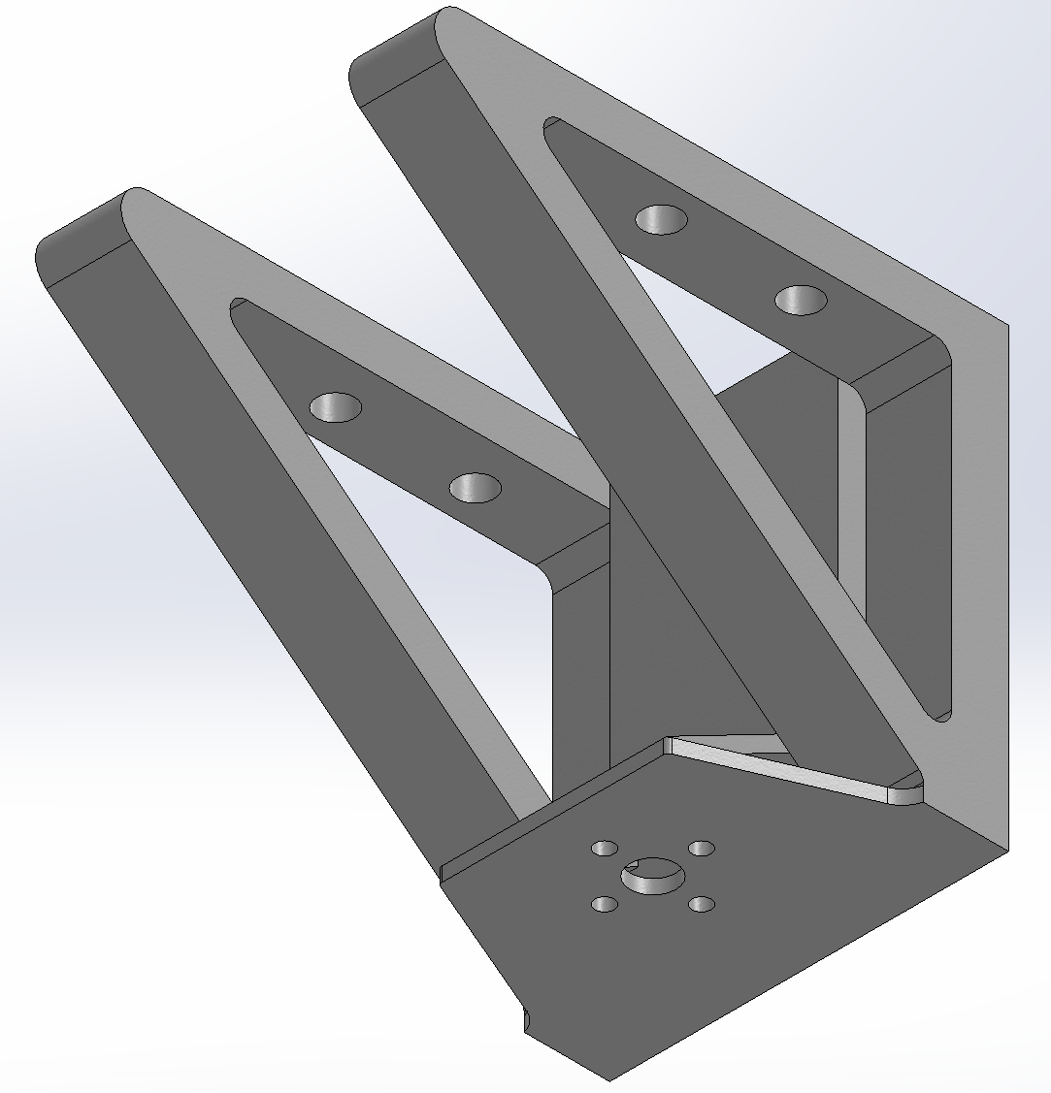 | Motor Platform | 1
8 | 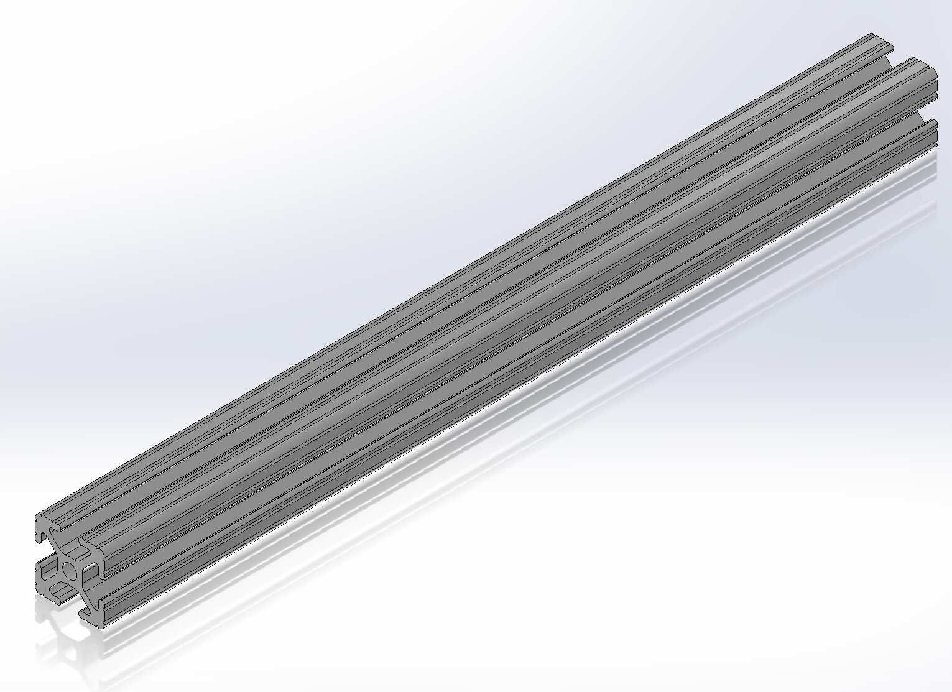 | T-slot-1010 X 12 | 1
9 |  | Base | 1
10 | 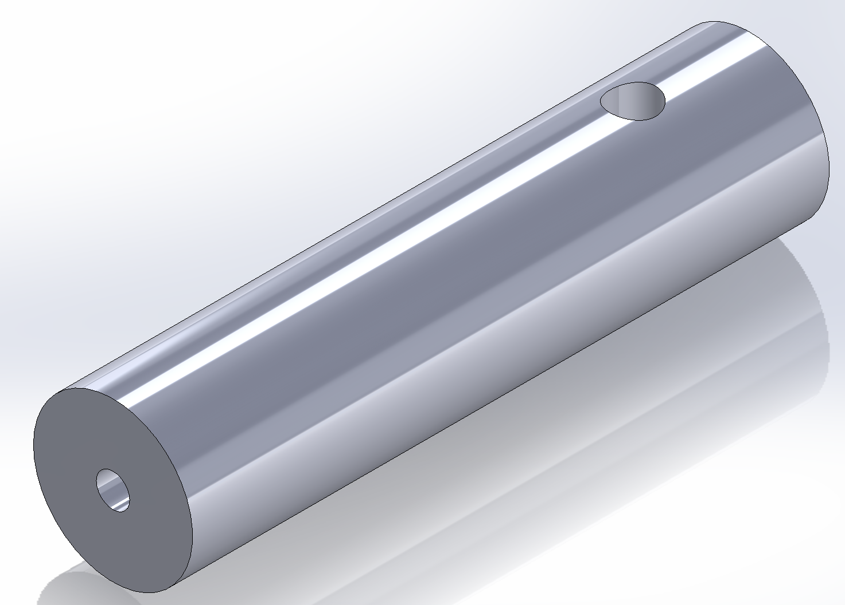 | Shaft | 2
11 | 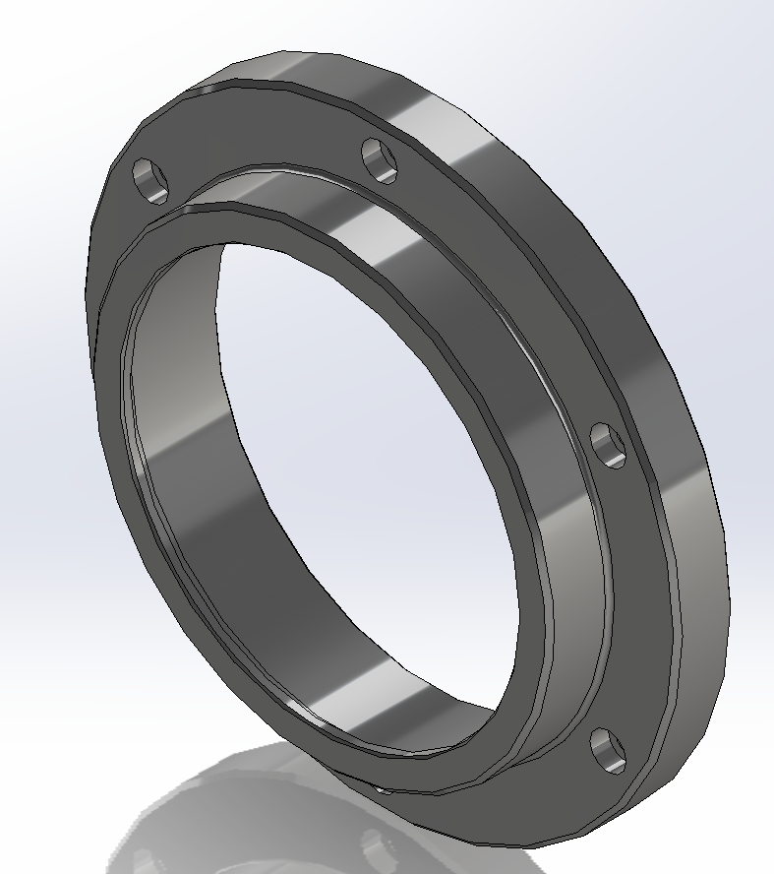 | Top | 1
12 | 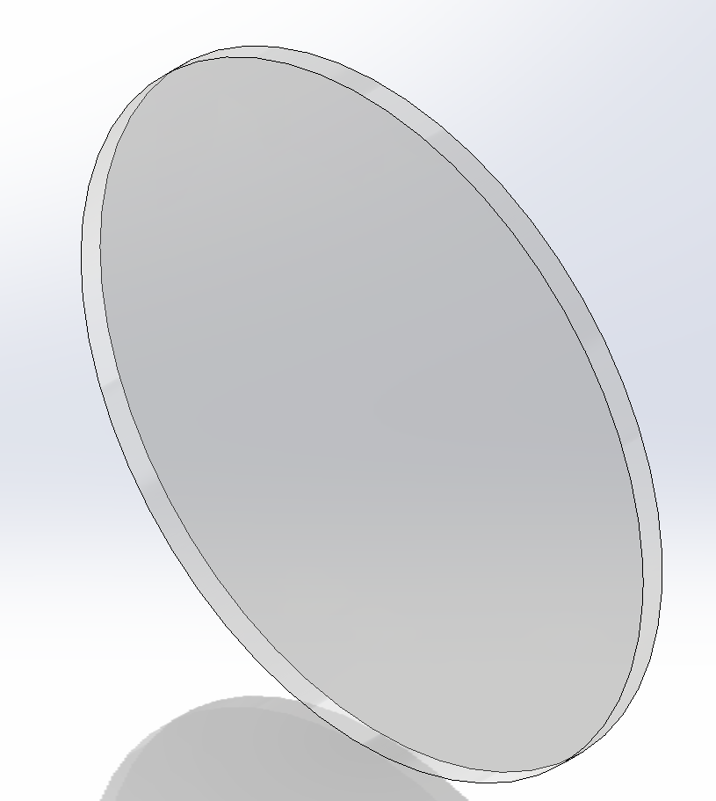 | Window | 1
13 | 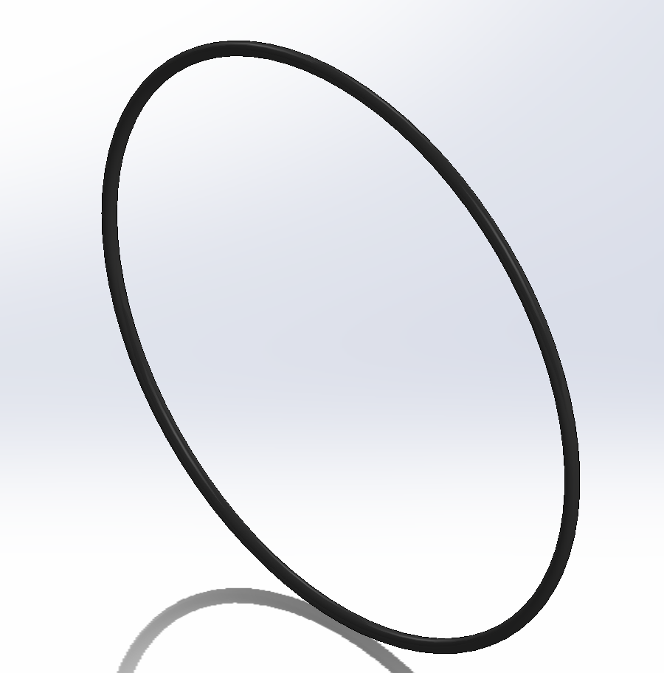 | O-ring | 1
14 | 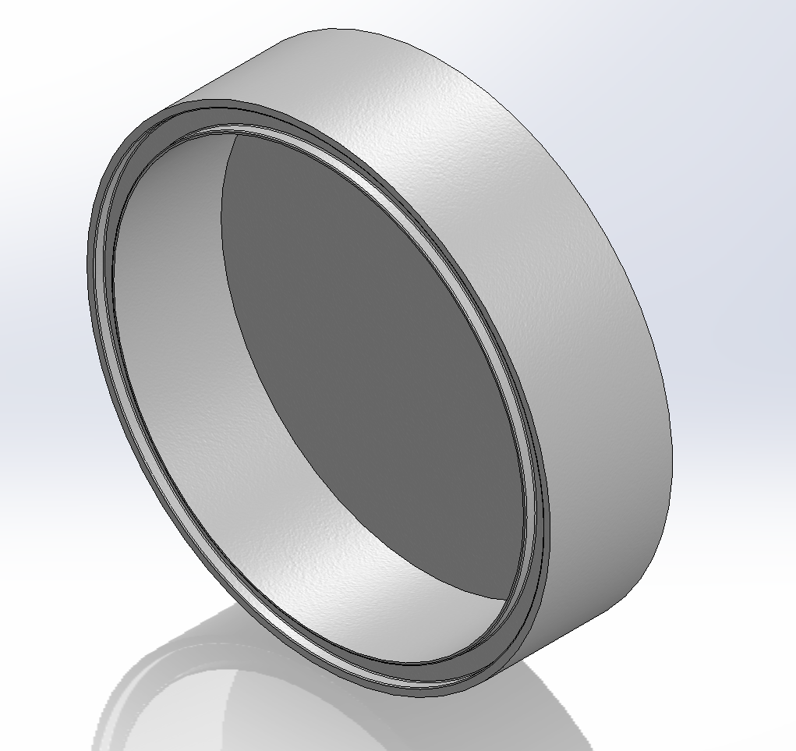 | Bottom | 1
15 | 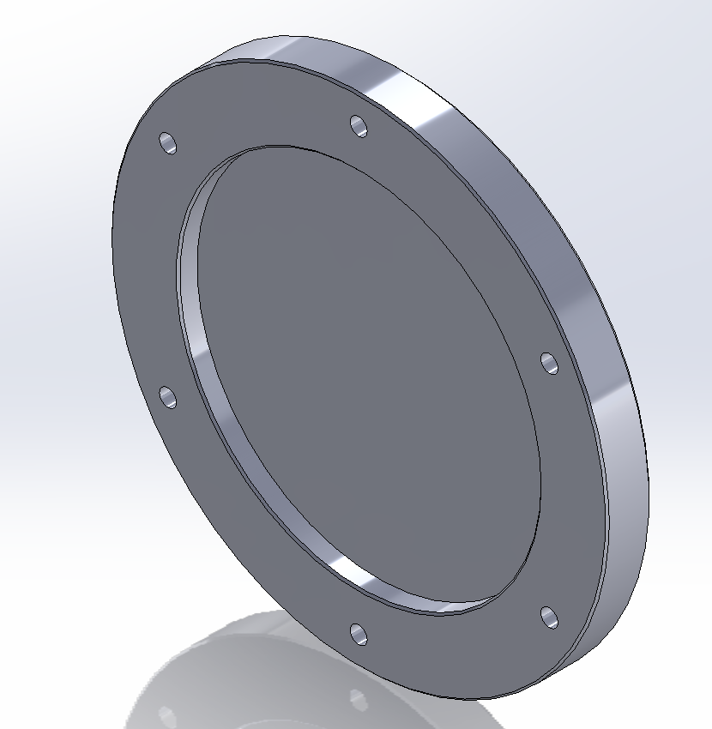 | Backplate | 1
16 | 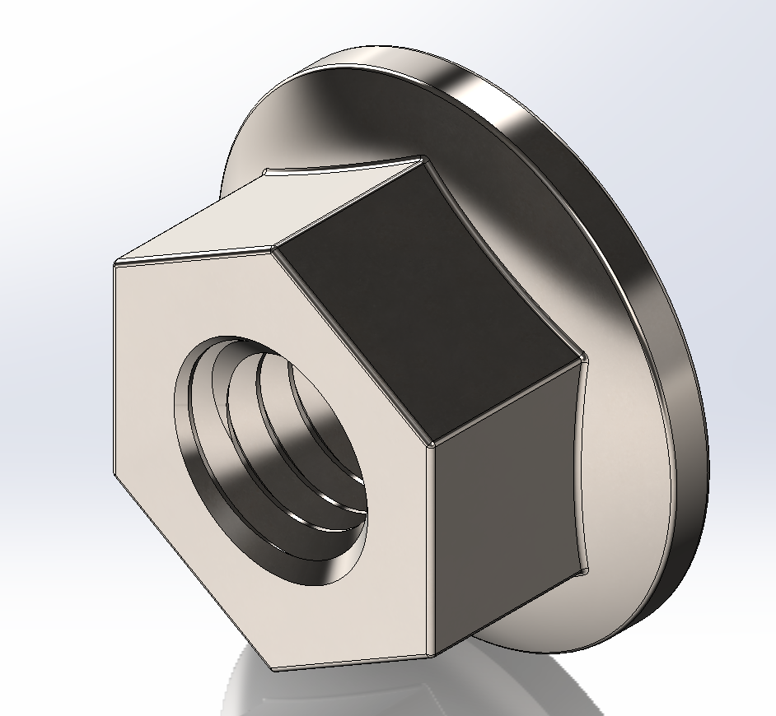 | M4-Nuts | 6
17 |  | M4-Bolts | 6
18 | 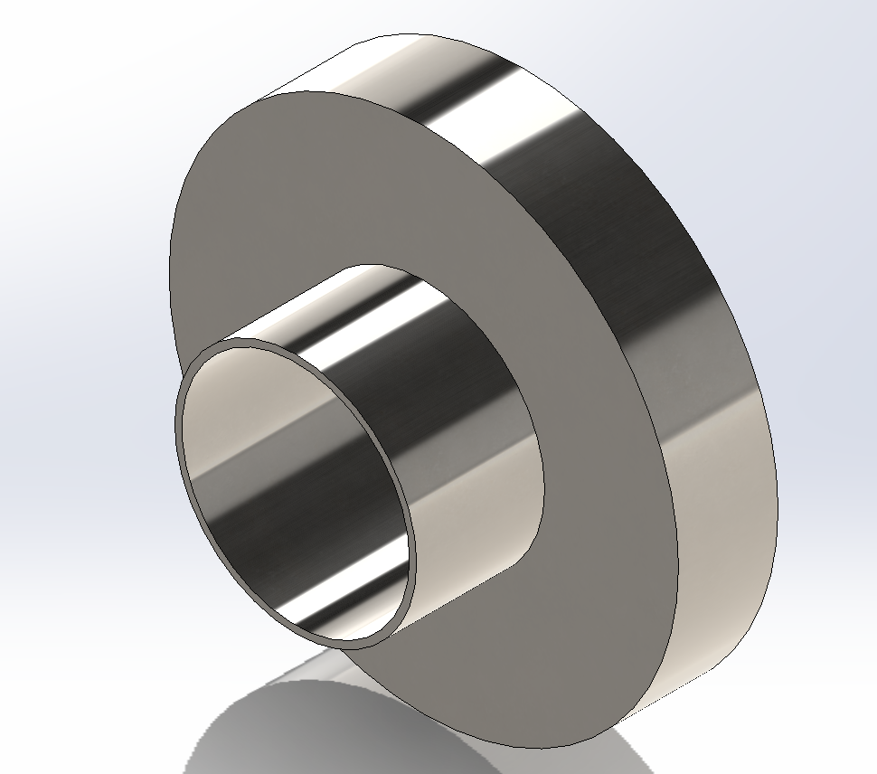 | M8-Nut | 2
19 |  | M8-Bolt-35mm | 2
20 | 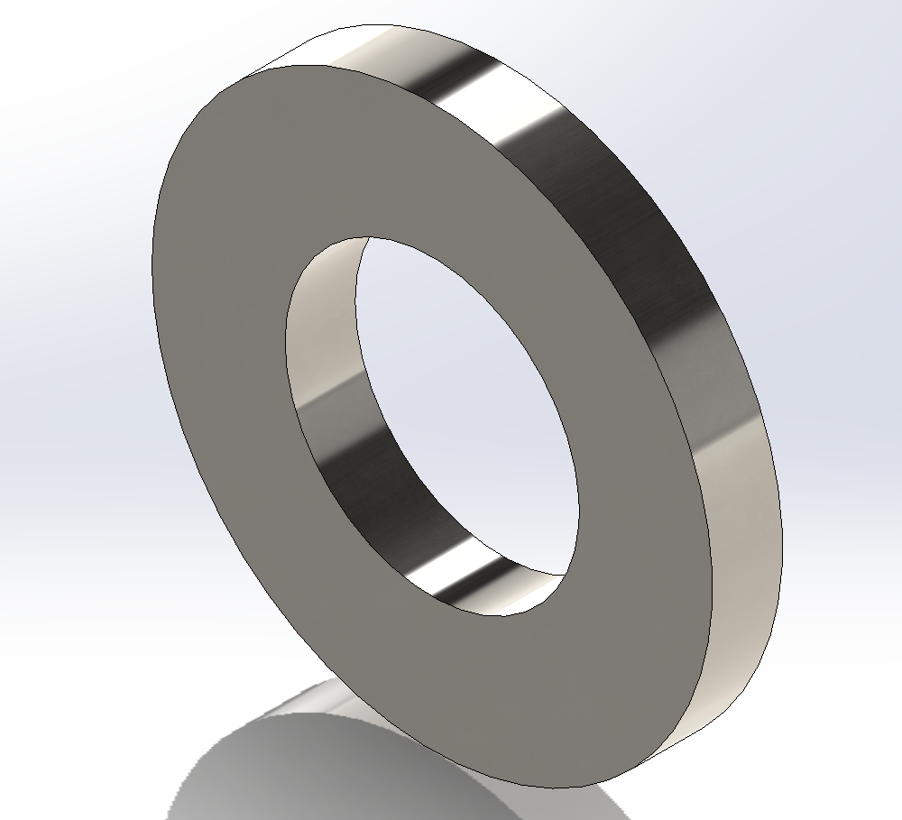 | M8-Washer | 6
21 | 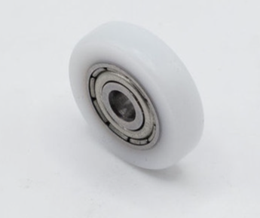 | Roller | 2
22 | 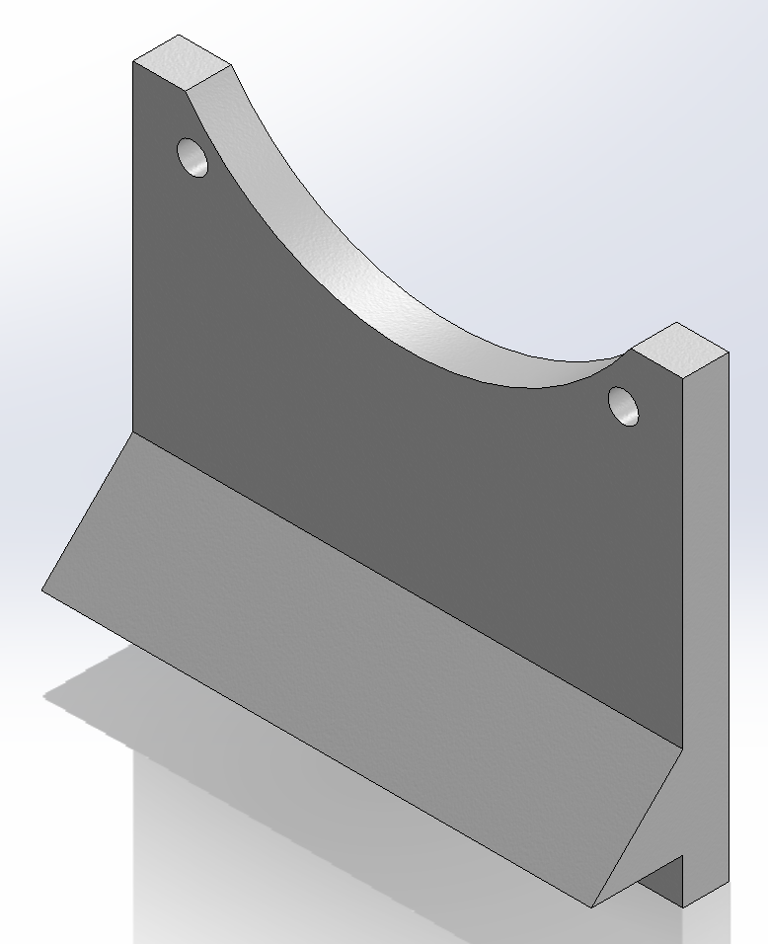 | Bracket | 1
23 | 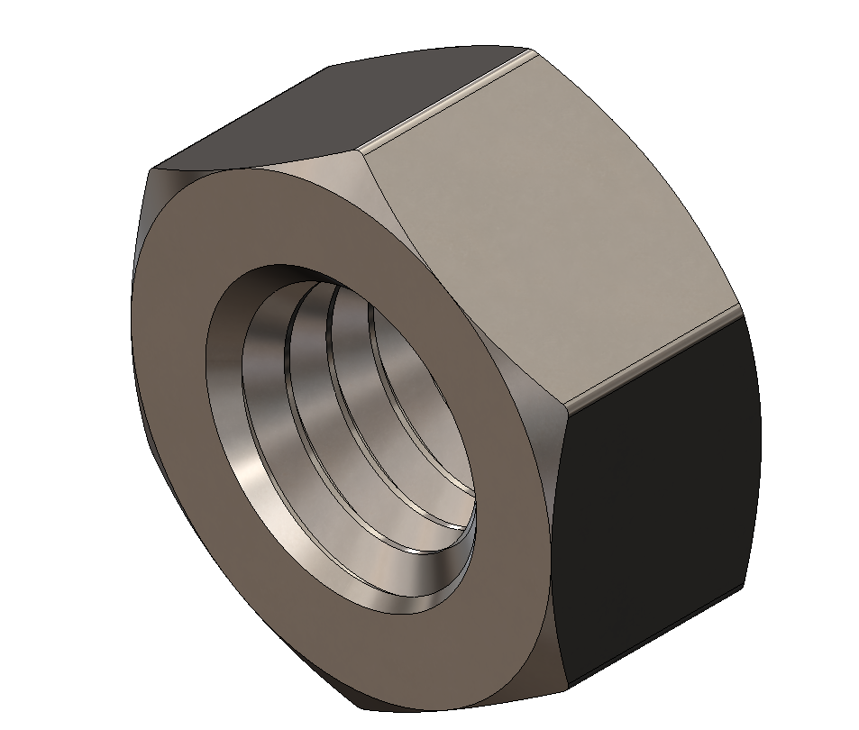 | M5-Nut | 1
24 |  | M5-Bolt | 1
25 | 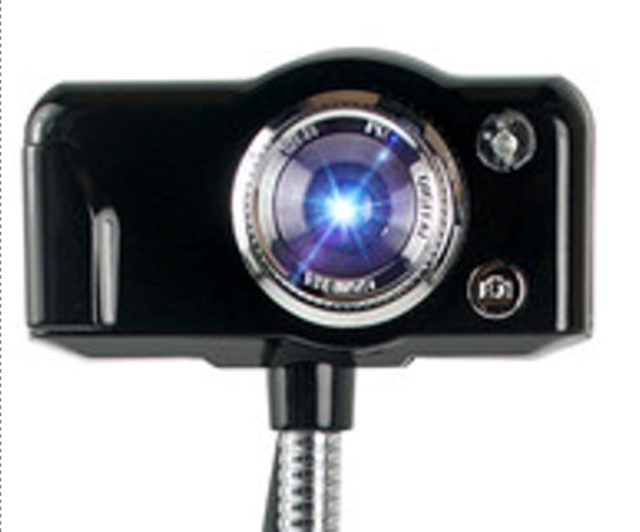 | Camera | 1
26 | 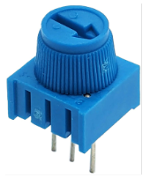 | Potentiometer | 1
27 | 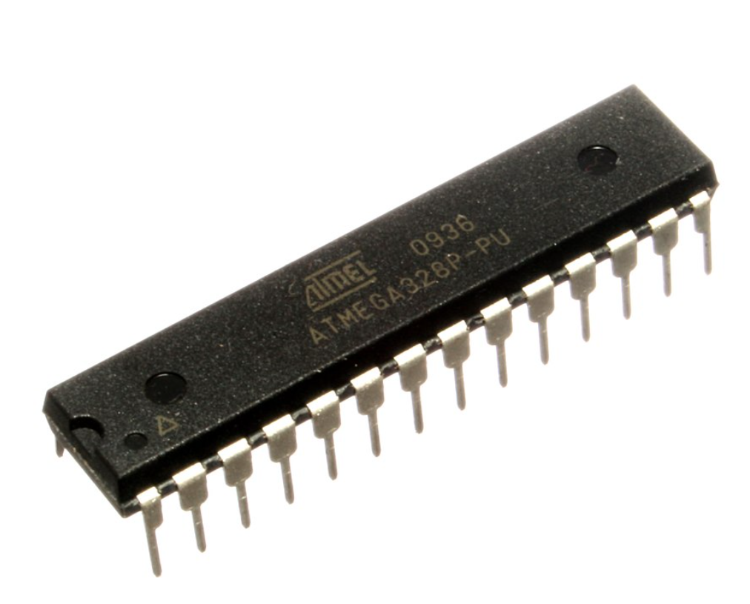 | ATmega328P Microcontroller | 1
28 | 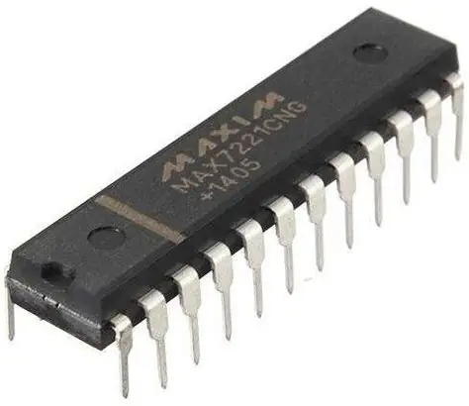 | MAX7221Display Driver | 1
29 | 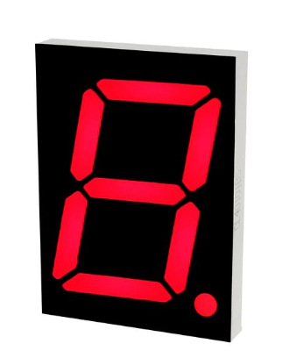 | 7-Segment Display | 3
30 | 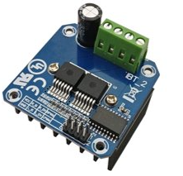 | H-bridge | 1
31 | 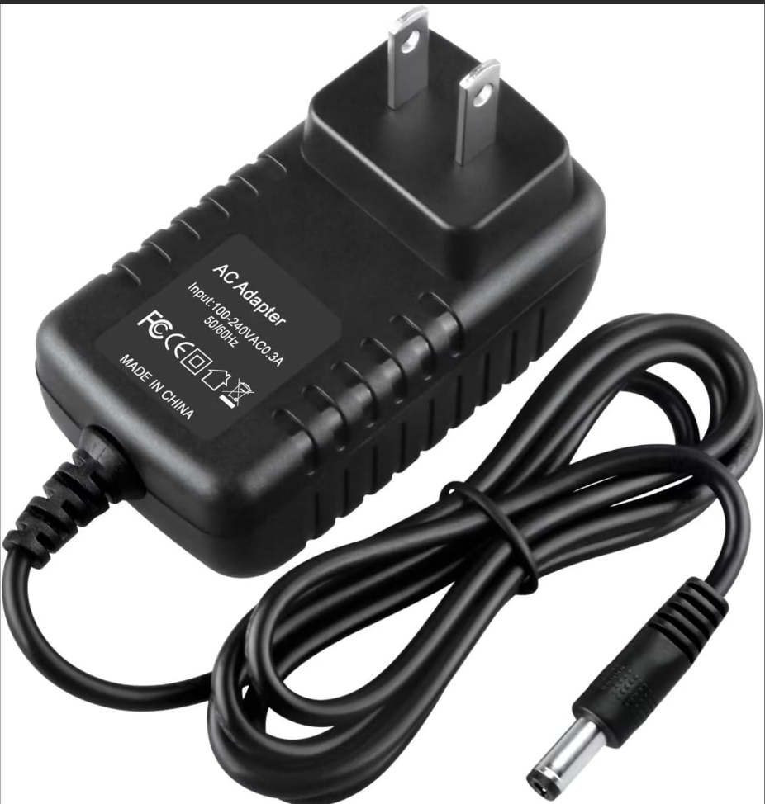 | 9V AC adapter power supply | 2
32 | 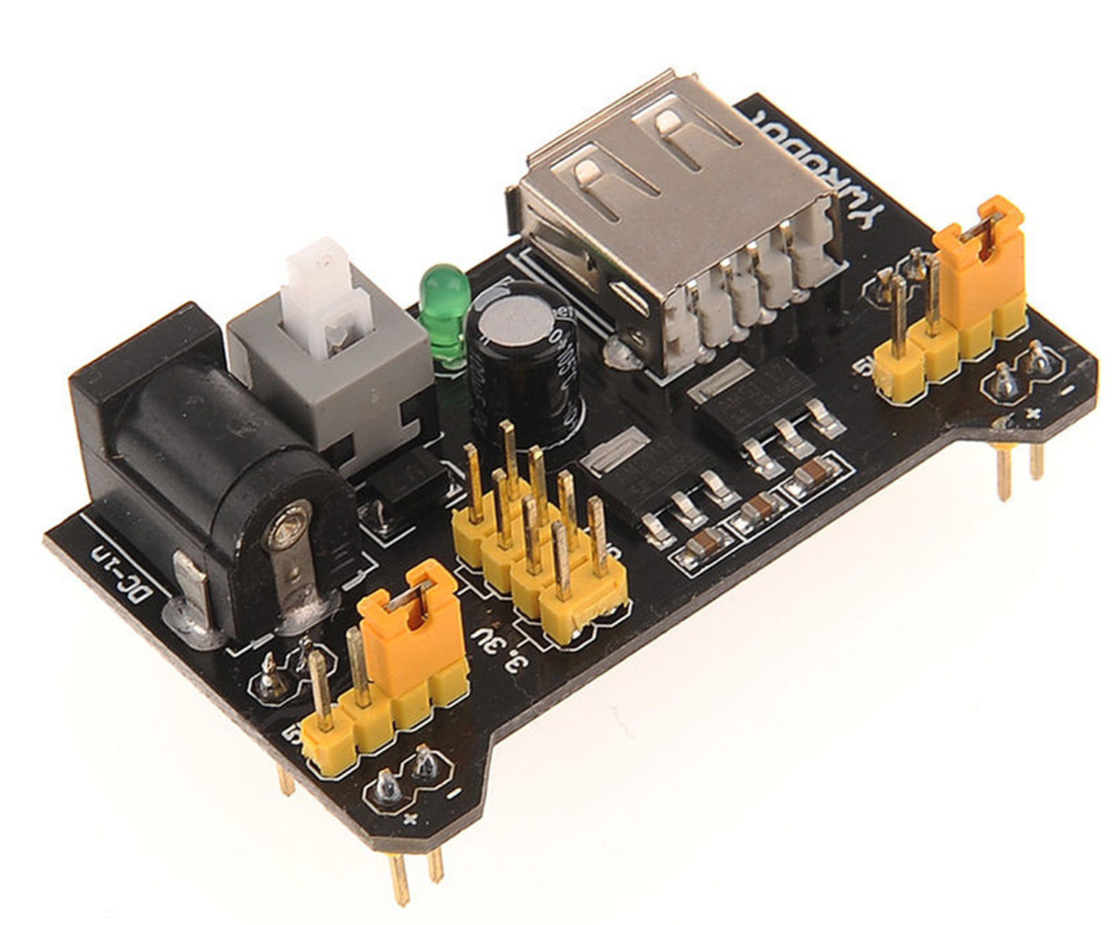 | Breadboard power supply | 1
33 | 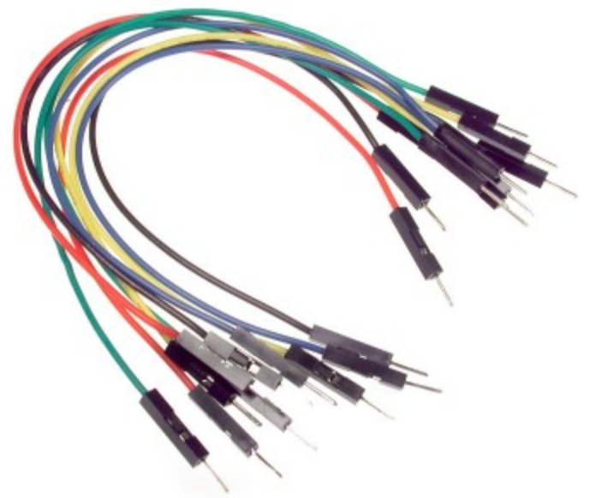 | Jumper Wires | As Required

